PE-EPS Over Time
Date | Visa Stock Price | Mastercard Stock Price | PayPal Stock Price | American Express Stock Price | VISA Earnings (m) | Mastercard Earnings (m) | PayPal Earnings (m) | American Express Earnings (m) | VISA EPS | Mastercard EPS | PayPal EPS | American Express EPS | VISA P/E Ratio | Mastercard P/E Ratio | PayPal P/E Ratio | American Express P/E Ratio
2014-12-19 | 62.624652863 | 83.474113464 | 1 | 85.158363342 | 5438 | 3617 | 419 | 5885 | 2.4927801971 | 1.6580334632 | 0.35689948893 | 7.1074879227 | 25.122412692 | 50.345252564 | 2.8019093079 | 11.981499549
2015-12-21 | 74.802024841 | 94.383789062 | 36.080001831 | 63.57043457 | 6328 | 3808 | 1228 | 5163 | 2.9007563603 | 1.7455878982 | 1.0459965928 | 6.2355072464 | 25.787076042 | 54.069914874 | 34.493421946 | 10.194909902
2016-12-19 | 76.435852051 | 101.5200882 | 39.439998627 | 70.632011414 | 5991 | 4059 | 1401 | 5408 | 2.7462754985 | 1.8606463443 | 1.1933560477 | 6.5314009662 | 27.832550701 | 54.561732545 | 33.049649099 | 10.814220682
2017-12-19 | 110.52744293 | 149.8266449 | 74.5 | 95.451751709 | 6699 | 3915 | 1795 | 2748 | 3.0708228283 | 1.7946367179 | 1.5289608177 | 3.3188405797 | 35.992777542 | 83.48577927 | 48.725905292 | 28.760571476
2018-12-19 | 130.23448181 | 185.83656311 | 84.029998779 | 96.470428467 | 10301 | 5859 | 2057 | 6921 | 4.7219802888 | 2.6857666743 | 1.7521294719 | 8.3586956522 | 27.580479766 | 69.19311528 | 47.958783941 | 11.541325642
2019-12-19 | 186.2702179 | 297.13357544 | 108.87999725 | 123.71162415 | 12080 | 8118 | 2459 | 6440 | 5.537474215 | 3.7212926885 | 2.094548552 | 7.7777777778 | 33.638119233 | 79.846870513 | 51.982560706 | 15.905780247
2020-04-06 | 169.44000244 | 265.94000244 | 101.66999817 | 83.870002747 | 12080 | 8118 | 2459 | 6440 | 5.537474215 | 7.982300885 | 2.094548552 | 7.7777777778 | 30.59878852 | 33.316208732 | 48.540291928 | 10.783286067

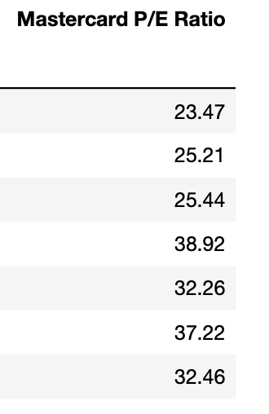
Date | VISA P/E Ratio | Mastercard P/E Ratio | PayPal P/E Ratio | Amex P/E Ratio
2014-12-19 | 25.1 | 23.5 | 2.8 | 12.0
2015-12-21 | 25.8 | 25.2 | 34.5 | 10.2
2016-12-19 | 27.8 | 25.4 | 33.0 | 10.8
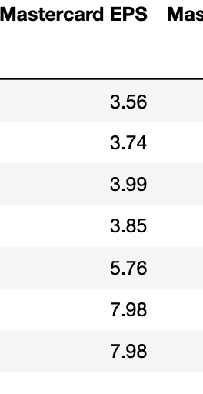
2017-12-19 | 36.0 | 48.9 | 48.7 | 28.8
2018-12-19 | 27.6 | 32.3 | 48.0 | 11.5
2019-12-19 | 33.6 | 37.2 | 52.0 | 15.9
2020-04-06 | 30.6 | 32.5 | 48.5 | 10.8

Date | VISA EPS | Mastercard EPS | PayPal EPS | Amex EPS
2014-12-19 | 2.5 | 3.6 | 0.4 | 7.1
2015-12-21 | 2.9 | 3.7 | 1.0 | 6.2
2016-12-19 | 2.7 | 4.0 | 1.2 | 6.5
2017-12-19 | 3.1 | 3.9 | 1.5 | 3.3
2018-12-19 | 4.7 | 5.8 | 1.8 | 8.4
2019-12-19 | 5.5 | 8.0 | 2.1 | 7.8
2020-04-06 | 5.5 | 8.0 | 2.1 | 7.8

Date | Visa Stock Price | Mastercard Stock Price | PayPal Stock Price | Amex Stock Price
2014-12-19 | 62.6 | 83.5 | 1.0 | 85.2
2015-12-21 | 74.8 | 94.4 | 36.1 | 63.6
2016-12-19 | 76.4 | 101.5 | 39.4 | 70.6
2017-12-19 | 110.5 | 149.8 | 74.5 | 95.5
2018-12-19 | 130.2 | 185.8 | 84.0 | 96.5
2019-12-19 | 186.3 | 297.1 | 108.9 | 123.7
2020-04-06 | 169.4 | 265.9 | 101.7 | 83.9

Date | VISA Earnings (m) | Mastercard Earnings (m) | PayPal Earnings (m) | Ameex Earnings (m)
2014-12-19 | 5438 | 3617 | 419 | 5885
2015-12-21 | 6328 | 3808 | 1228 | 5163
2016-12-19 | 5991 | 4059 | 1401 | 5408
2017-12-19 | 6699 | 3915 | 1795 | 2748
2018-12-19 | 10301 | 5859 | 2057 | 6921
2019-12-19 | 12080 | 8118 | 2459 | 6440
2020-04-06 | 12080 | 8118 | 2459 | 6440

Date | VISA P/E Ratio | Mastercard P/E Ratio | PayPal P/E Ratio | Amex P/E Ratio
2017-12-19 | 36.0 | 48.9 | 48.7 | 28.8
2018-12-19 | 27.6 | 32.3 | 48.0 | 11.5
2019-12-19 | 33.6 | 37.2 | 52.0 | 15.9
2020-04-06 | 30.6 | 32.5 | 48.5 | 10.8

CORRELATION (2)
Company 1, 2, 3, 4 P/E Ratio to EPS CAGR (x years)
 | PE | EPS CAGR
AMEX | 20.0 | 4.9%
VISA | 37.4 | 5.3%
MasterCard | 45.2 | 7.2%
PayPal | 83.4 | 2.2%

slope | 0.00
intercept | 0.07
correl | -0.63
R2 | 0.40

Company 1, 2, 3, 4 EV/EBITDA Ratio to EBITDA CAGR (x years)
 | EV/EBITDA | EBITDA CAGR
AMEX | 5.0 | 1.0%
VISA | 10.0 | 2.0%
MasterCard | 30.0 | 3.0%
PayPal | 50.0 | 4.0%

slope | 0.00
intercept | 0.01
correl | 0.97
R2 | 0.95

Company 1, 2, 3, 4 EV/Net Income Ratio to Net Income CAGR (x years)
 | EV/Net Income | Net Income CAGR
AMEX | 5.0 | 1.0%
VISA | 10.0 | 2.0%
MasterCard | 30.0 | 3.0%
PayPal | 50.0 | 4.0%

slope | 0.00
intercept | 0.01
correl | 0.97
R2 | 0.95

CORRELATION
MasterCard, Visa, PayPal, American Express P/E Ratio to EPS CAGR (6 years)
 | PE | EPS CAGR
AMEX | 11.5 | 1.5%
VISA | 31.9 | 14.2%
MasterCard | 34.1 | 14.4%
PayPal | 50.8 | 34.3%

slope | 0.008209578338
intercept | -0.10221007264
correl | 0.97437706289
R2 | 0.94941066068

MasterCard, Visa, PayPal, American Express EV/EBITDA Ratio to EBITDA CAGR (6 years)

 | EV/EBITDA | EBITDA CAGR
AMEX | 3.5 | 3.5%
VISA | 24.3 | 11.0%
MasterCard | 27.1 | 11.1%
PayPal | 34.9 | 12.9%

slope | 0.0030730003404
intercept | 0.027345308102
correl | 0.99068985327
R2 | 0.98146638536

MasterCard, Visa, PayPal, American Express EV/Net Income Ratio to Net Income CAGR (6 years)
 | EV/Net Income | Net Income CAGR
AMEX | 3 | 11.5
VISA | 24 | 31.9
MasterCard | 27 | 34.1
PayPal | 35 | 50.8

slope | 1.1527964206
intercept | 6.4252796421
correl | 0.97689338362
R2 | 0.95432068297

